Diagram
 | Displacement at mid-span [mm]
0.00E+00 | 0.00E+00
1.00E-02 | 4.32E-01
2.00E-02 | 8.64E-01
3.00E-02 | 1.30E+00
4.00E-02 | 1.73E+00
5.00E-02 | 2.16E+00
6.00E-02 | 2.59E+00
7.00E-02 | 3.02E+00
8.00E-02 | 3.45E+00
9.00E-02 | 3.89E+00
1.00E-01 | 4.32E+00
1.10E-01 | 4.75E+00
1.20E-01 | 5.18E+00
1.30E-01 | 5.62E+00
1.40E-01 | 6.05E+00
1.50E-01 | 6.48E+00
1.60E-01 | 6.91E+00
1.70E-01 | 7.34E+00
1.80E-01 | 7.78E+00
1.90E-01 | 8.21E+00
2.00E-01 | 8.64E+00
2.10E-01 | 9.07E+00
2.20E-01 | 9.50E+00
2.30E-01 | 9.94E+00
2.40E-01 | 1.04E+01
2.50E-01 | 1.08E+01
2.60E-01 | 1.12E+01
2.70E-01 | 1.17E+01
2.80E-01 | 1.21E+01
2.90E-01 | 1.25E+01
3.00E-01 | 1.30E+01
3.10E-01 | 1.34E+01
3.20E-01 | 1.38E+01
3.30E-01 | 1.43E+01
3.40E-01 | 1.47E+01
3.50E-01 | 1.51E+01
3.60E-01 | 1.56E+01
3.70E-01 | 1.60E+01
3.80E-01 | 1.64E+01
3.90E-01 | 1.69E+01
4.00E-01 | 1.73E+01
4.10E-01 | 1.77E+01
4.20E-01 | 1.82E+01
4.30E-01 | 1.86E+01
4.40E-01 | 1.90E+01
4.50E-01 | 1.95E+01
4.60E-01 | 1.99E+01
4.70E-01 | 2.03E+01
4.80E-01 | 2.08E+01
4.90E-01 | 2.12E+01
...

Deflected shape
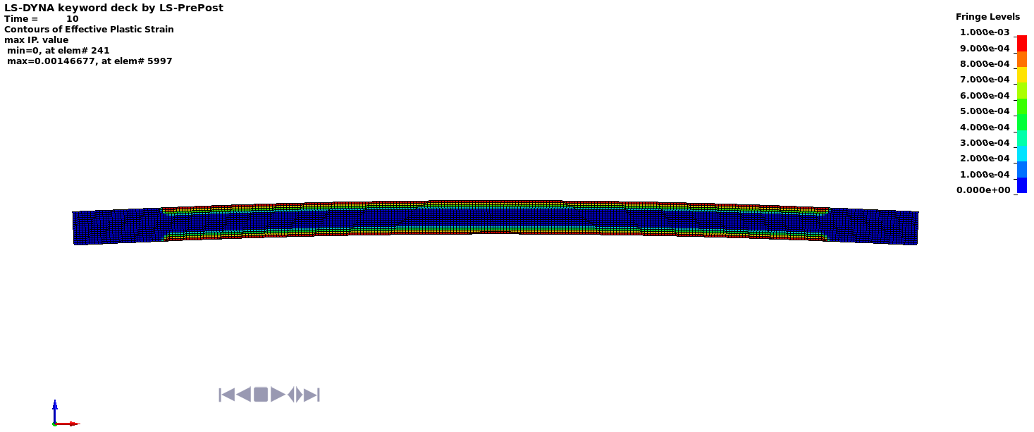

Deflected shape with visible contours of plasticity - side view



Deflected shape with visible contours of plasticity - top view

